Sheet1
OrcaFlex 11.5b: 2025_02_11_FST2L_FST1L_HWL_300deg_orcaflex.dat (modified 09:09 on 12/02/2025 by OrcaFlex 11.5b)

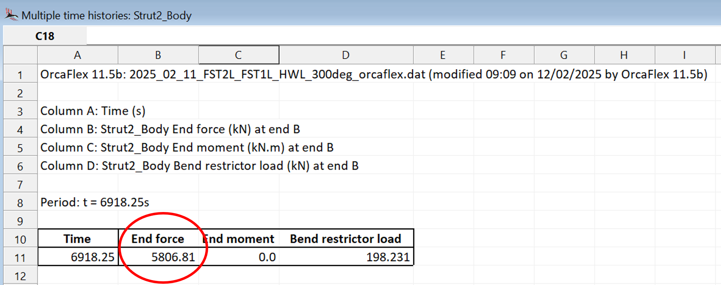
Column A: Time (s)
Column B: Strut2_Body End Lx force (kN) at end B
Column C: Strut2_Body End Ly force (kN) at end B
Column D: Strut2_Body End Lz force (kN) at end B

Period: t = 6918.25s

Time | End Lx force | End Ly force | End Lz force
6918.25 | 2184.8374599 | -5165.554686 | 1504.1906738 | Magnitude of (Lx, Ly, Lz) vector (kN): | 5806.8114765

OrcaFlex 11.5b: 2025_02_11_FST2L_FST1L_HWL_300deg_orcaflex.dat (modified 09:09 on 12/02/2025 by OrcaFlex 11.5b)

Column A: Time (s)
Column B: Strut2_Body Effective tension (kN) at end B
Column C: Strut2_Body x shear force (kN) at end B
Column D: Strut2_Body y shear force (kN) at end B

Period: t = 6918.25s

Time | Effective tension | x shear force | y shear force
6918.25 | 5742.362793 | -862.74450684 | 1.8662859201 | Magnitude of tension + shear (kN): | 5806.8116909

